Sheet1
AvgTrustBySegmentPT
Row Labels | Average of Trust Rating (out of 5)
P2P, E-commerce | 4.6
B2B / Freelancers | 4.2
Consumer / E-commerce | 4.1
Consumer-to-Consumer (C2C) | 2.2
Freelance & Gig Economy | 4.3
Freelancer, real estate transactions,E-commerce | #DIV/0!
Global / General | 3.5
P2P, E-commerce, real estate and vehicle sales, marchants | 1.9
Trade Assurance | 4.1
UK / EU | 3.9
UK,US,Global | 3.2
Web3 / Crypto | #DIV/0!
Grand Total | 3.6384615385

DashBoards
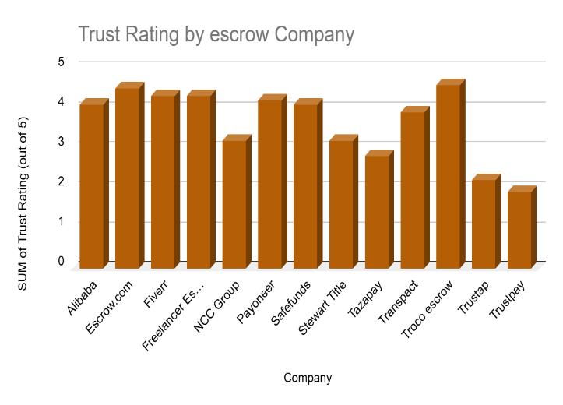
Segment Trust & Performance Analysis | Trust Rating by Escrow Company | Pricing Model Distribution | Trust & Offering Correlation
 | Total
No | 13
Yes | 3
 | Total
No | 6
Yes | 10
 | Total
P2P, E-commerce | 4.6
B2B / Freelancers | 4.2
Consumer / E-commerce | 4.1
Consumer-to-Consumer (C2C) | 2.2
Freelance & Gig Economy | 4.3
Freelancer, real estate transactions,E-commerce | #N/A
Global / General | 3.5
P2P, E-commerce, real estate and vehicle sales, marchants | 1.9
Trade Assurance | 4.1
UK / EU | 3.9
UK,US,Global | 3.2
Web3 / Crypto | #N/A

